Demo How to Make this
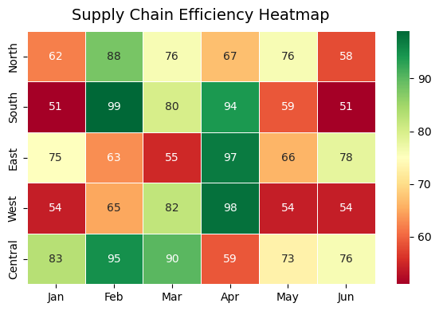
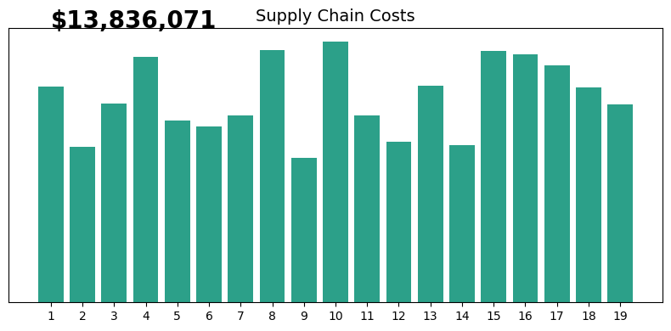
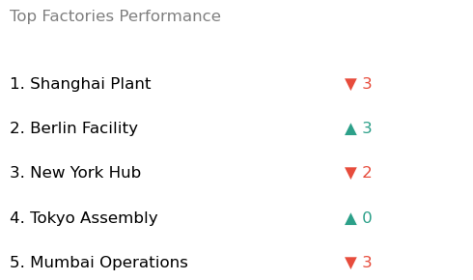
Step 1: Load the Dataframes
FINANCE DASHBOARD 2025
Name | Dataframe
df_kpis
df_costs
df_weekly
df_factories
df_heatmap
df_warehouse

Step 2: Load the graphs

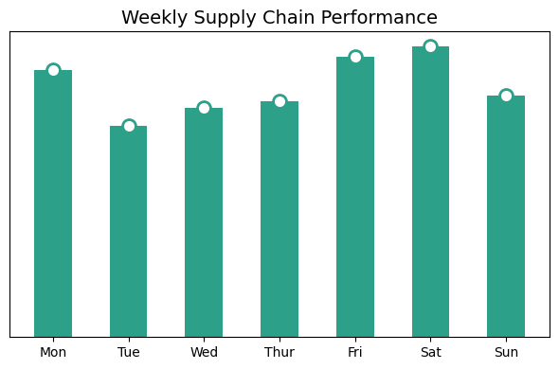
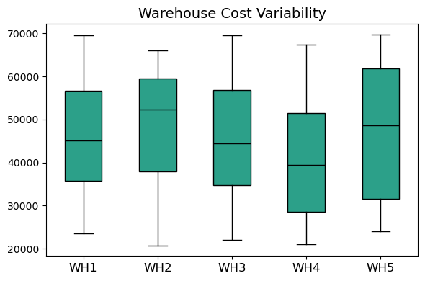

Step 3: Customise

The Dashboard



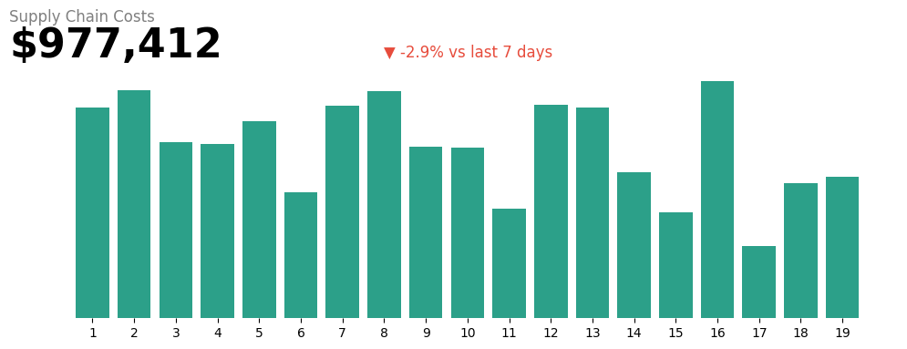
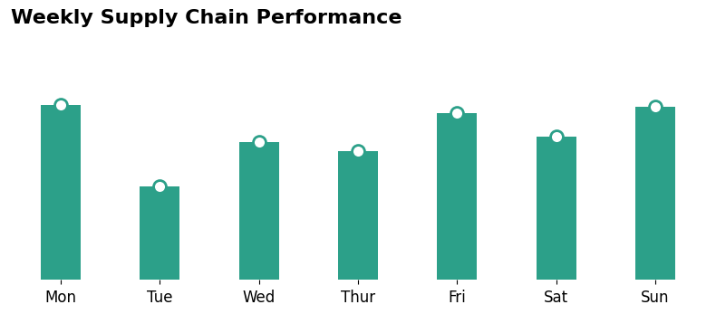



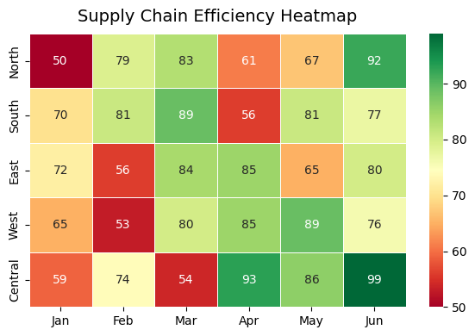
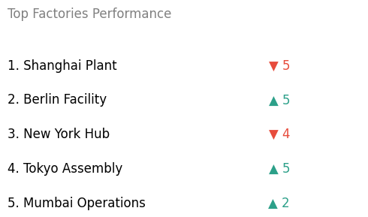
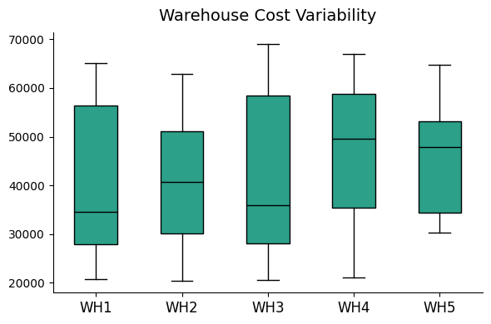

Blank Page
FINANCE DASHBOARD 2025

Enable Python in Excel
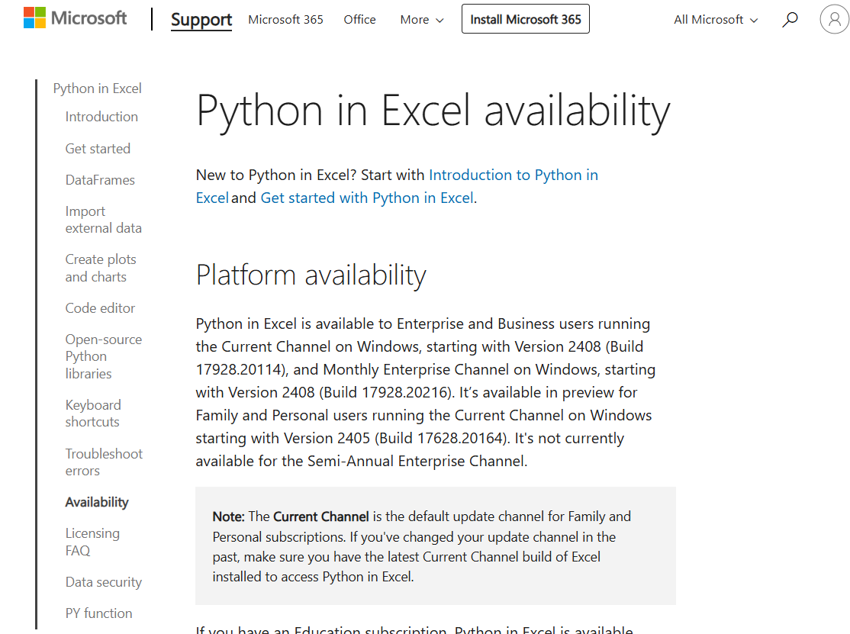
 | Python in Excel availability - Microsoft Support
How to enable Python in Excel

Python in Excel is currently rolling out to Excel for Windows for customers with Enterprise or Business Microsoft 365 subscriptions running the Current Channel, starting with Version 2408 (Build 17928.20114), and Monthly Enterprise Channel, starting with Version 2408 (Build 17928.20216).

Python in Excel is available in preview for Family and Personal users running Current Channel on Windows, starting with Version 2405 (Build 17628.20164).

If you have an Education subscription, join the Microsoft 365 Insider Program to use the Python in Excel preview. Choose the Current Channel (Preview) Insider level and install the latest build of Excel.

Don’t have Insider access? Sign up with your Microsoft, work, or school account to be notified about future availability for Python in Excel.

If you have a qualifying Microsoft 365 subscription, take the following steps to use Python in Excel:

1. Open a blank workbook.

2. Select Formulas in the ribbon.

3. Select Insert Python.

